29-04-2016_CB
 |  |  |  |  |  | STYLE |  |  |  | TB1437 |  |  |  |  |  |  |  |  |  |  |  |  |  |  | MEASUREMENT CHART

 |  |  |  |  |  | COLLECTION |  |  |  | UC |  |  |  | SEASON |  |  | FW16 |  | SUPPLIER NO. |  |  |  |  |  | TROUSERS / PANTS/ SHORTS
 |  |  |  |  |  | GENDER |  |  |  | MEN |  | DATE |  | 2016-04-29 |  |  |  |  | SIGNATURE |  |  |  | CB

Fertigmaße in cm für Größe measurements in cm for size | CODE | TOLERANCE (+/-) | XS | IS | 30 | IS | 32 | IS | 34 | IS | 36 | IS | 38 | IS | 3XL | IS | 4XL | IS | 5XL | IS | 6XL | IS |  | 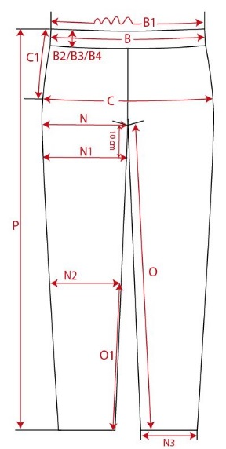

1/2 waistband width | B | 1 |  |  | 38.50 |  | 41.00 |  | 43.50 |  | 46.00 |  | 48.50
1/2 hip widh | C | 1 |  |  | 47.50 |  | 50.00 |  | 52.50 |  | 55.00 |  | 57.50
side length (incl. waistband) | P | 1 |  |  | 104.00 |  | 106.00 |  | 108.00 |  | 110.00 |  | 112.00

REMARK

